cover
kywh
 |  | II '24
 | Know Your Way Holdings

Stock Value Analysis (SVA) Workbook

This workbook is designed to facilitate review and analysis of business' market valuations and financial statements, for general investment and other considerations

overview
Know Your Way Holdings

XLS configured workbook
Input and analysis configurations established for active table range to row 500
Document and adjust units and values according to use/context
Certain functionality restrcited/protected
 |  | Workbook Analysis Output

 | User Data Inputs

Stock Value Assessment Green-Map is a summary value analysis, rendering assessment status indicators based on company Share Price, Market Capitalization, and reported Income Statement and Balance Sheet financial information, as inputted by user.
Know Your Way Holdings is a Strategy Commission community offering value based stock assessment information and screening tools and dialogue.
The information and toolsets focus on intrinsic business value; analysis of operating and reported financials with market value.
Educated investing for the long term.

 |  | Strategy Commission

Notes & Disclaimers
This is analysis Workbook is not investing or financial advice; investing advice should be sought by a licensed financial advisor or fiduciary agent.
Know Your Way Holdings analyzer output content is NOT:
An investing or trading platform
An institutional investor, institutional investor or trading platform
Speculative stock trading, buy, or sell information; suggestions or triggers for stock or other investments
Informing of, or speculating projected gains/returns for stock or other investment, along any timeframe
A trading or trading insights platform
Technical analysis or market behavior speculation; and excludes uncertainties of the future
A validation of reported company financial data or company financial data integrity
All users, community members, or alternatively informed:
Conduct investing, buying, and selling of securities at their own risk and responsibility
Should conduct further independent assessments
Should maintain and independent and critical viewpoint
All information used in workbook and community content is public information.
Stock prices and market capitalizations fluctuate regularly; documented analysis and other information are representational of a single point in time only.
Value based investing (fundamental analysis approach) is not a guaranteed returns investing approach, merely the communities preferred methodology.
There is no one metric that tells the whole story.
Every stock, business, and/or investment opportunity is unique and requires in depth review and considerations beyond financial parameters and qualifications.
Know Your Way Holdings retains no responsibility for monetary (or other) gains or losses as a result of your personal investment or trading actions.

ref.
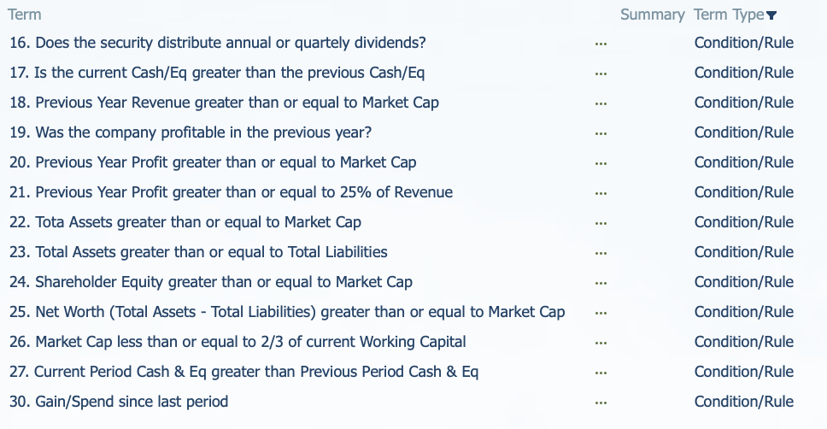
Additional definition searches, cross-checks/references, research, and due diligence is recommended

